Scenario
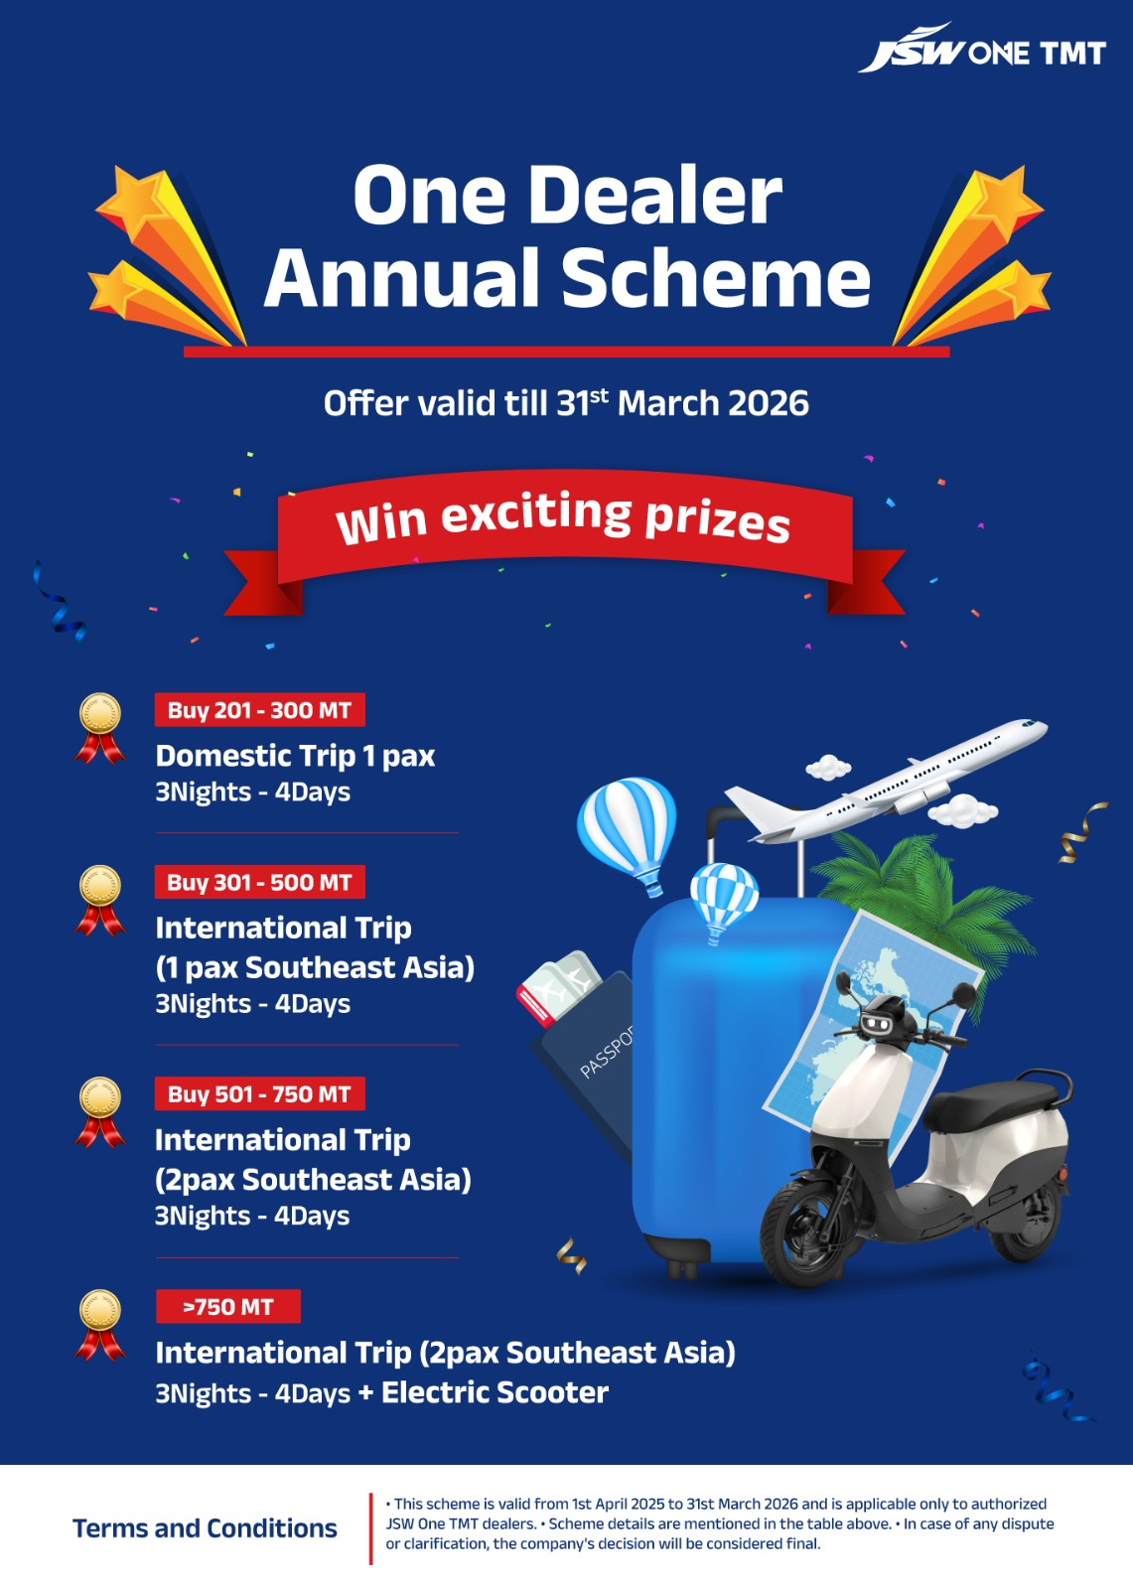
Est. |  |  |  |  |  |  |  |  |  |  |  |  |  |  | Current # |  |  |  |  | Ideal scenario |  |  |  |  |  | As per sales team
FY26 (MT) | Gift | Category | Avg. lifting/dealer/slab | Qualified volume (MT) | Gift value (Rs.) | With TDS | Loading/MT (with TDS) | # Qualified dealers | Amount (Rs.) | # Qualified dealers | Qualified volume | Avg. lifting/dealer/slab | Amount |  | # Qualified dealers | Qualified volume | Avg. lifting/dealer/slab | Amount |  | # Qualified dealers | Amount (Rs.) | Qualified volume | Avg. lifting/dealer/slab |  |  | FY26 (MT) | Gift | Category | Qualified volume (MT) | # Qualified dealers | Actuals till Oct'25 | Pending to Ach Nov to Mar'26 | Oct'25 #
201-300 | Domestic Trip 1 pax 3N-4D | A | 242 | 12,077 | 50,000 | 55,000 | 228 | 50 | 2,750,000 | 70 | 17,477 | 250 | 3,500,000 |  | 46 | 10,881 | 237 | 2,530,000 |  | 70 | 3,850,000 | 16,800 | 240 |  |  | <200 | Non Qualifier Dealer |  | 45,072 | 647 | 22,795 | 22,277 | # Qualified dealers | Qualified volume | Avg. lifting/dealer/slab | Amount
> 300-500 | International Trip (1 pax South Asia) 3N-4D | B | 364 | 16,366 | 70,000 | 77,000 | 212 | 45 | 3,465,000 | 50 | 18,468 | 369 | 3,500,000 |  | 49 | 18,201 | 371 | 3,773,000 |  | 63 | 4,851,000 | 25,200 | 400 |  |  | 201-300 | Domestic Trip 1 pax 3N-4D | A | 20,573 | 100 | 12,911 | 7,663 | 30 | 7317.485 | 243.91616667 | 1650000
>500-750 | International trip (1 pax Almaty) 3N-4D, OR International Trip (2 pax Southeast Asia) 3N-4D | C | 636 | 19,083 | 100,000 | 110,000 | 173 | 30 | 3,300,000 | 30 | 18,697 | 623 | 3,000,000 |  | 32 | 20,918 | 654 | 3,520,000 |  | 42 | 4,620,000 | 23,100 | 550 |  |  | > 300-500 | International Trip (1 pax South Asia) 3N-4D | B | 16,788 | 51 | 12,830 | 3,958 | 39 | 14900.07 | 382.05307692 | 3003000
>750-1250 | International trip (2 pax South-East Asia) 3N-4D + EV Scooter, OR International trip (2 pax Almaty) | D | 923 | 31,373 | 220,000 | 242,000 | 262 | 34 | 8,228,000 | 20 | 19,144 | 957 | 4,400,000 |  | 26 | 24,015 | 924 | 6,292,000 |  | 48 | 11,616,000 | 38,400 | 800 |  |  | >500-750 | International trip (1 pax Almaty) 3N-4D, OR International Trip (2 pax Southeast Asia) 3N-4D | C | 32,601 | 54 | 24,386 | 8,215 | 11 | 6424.195 | 584.01772727 | 1210000
> 1,250 | Luxury International Trip (2 pax Dubai) 3N-4D | E | 1,303 | 3,909 | 240,000 | 264,000 | 203 | 3 | 792,000 | 10 | 17,645 | 1,764 | 2,400,000 |  | 2 | 2,599 | 1,299 | 528,000 |  | 15 | 3,960,000 | 18,750 | 1,250 |  |  | >750-1250 | International trip (2 pax South-East Asia) 3N-4D + EV Scooter, OR International trip (2 pax Almaty) | D | 22,421 | 22 | 14,468 | 7,953 | 7 | 6049.3 | 864.18571429 | 1694000
Total |  |  |  | 82,808 | 680,000 | 748,000 | 224 | 162 | 18,535,000 | 180 | 91,431 |  | 16,800,000 |  | 155 | 76,614 | 494 | 16,643,000 |  | 238 | 28,897,000 | 122,250 | 514 |  |  | > 1,250 | Luxury International Trip (2 pax Dubai) 3N-4D | E | 12,920 | 9 | 7,516 | 5,404 | 0 | 0 |  | 0
 |  |  |  |  |  |  |  |  |  |  |  |  |  |  |  |  |  |  |  |  |  |  |  |  |  | Total |  |  | 150,376 | 883 | 94,906 | 55,470 | 87 | 34691.05 | 398.74770115 | 7557000

 |  |  | Sec. sales | 132,179 |  |  |  |  |  | Sec. sales | 136,000 |  |  |  | Sec. sales | 124,567 |  |  |  | % sec. sales | 70%
 |  |  | % sec. sales | 63% |  |  |  |  |  | % sec. sales | 67% |  |  |  | % sec. sales | 62% |  |  |  | Overall retail sales | 200,000 |  |  |  |  |  |  |  |  |  |  |  | Sec. sales | 34691.05
 |  |  | Overall retail sales | 170,000 |  |  |  |  |  | Overall retail sales | 170,000 |  |  |  | Overall retail sales | 143,000 |  |  |  | Direct sales to sites | 40,000 |  |  |  |  |  |  |  |  |  |  |  | % sec. sales | 1
 |  |  | Per MT | 109 |  |  |  |  |  | Per MT | 99 |  |  |  | Per MT | 116 |  |  |  | Per MT | 144 |  |  |  |  |  |  |  |  |  |  |  | Overall retail sales | 83000
 |  |  |  |  |  |  |  |  |  |  |  |  |  |  |  |  |  |  |  |  |  |  |  |  |  |  |  |  |  |  |  |  | Per MT | 91.048192771

 |  |  |  |  |  | 142

 |  |  |  |  |  |  |  |  |  |  | Actuals till Oct 25 |  |  |  |  |  |  |  |  |  | Current qualification (till Oct25)
FY26 (MT) | Gift | Category | Avg. lifting/dealer/slab | Qualified volume (MT) | Gift value (Rs.) | With TDS | Loading/MT (with TDS) | # Qualified dealers | Amount (Rs.) |  | Slabs at 40% compliance | Category | Avg. lifting/dealer/slab | Qualified volume (MT) | Gift value (Rs.) | With TDS | Loading/MT (with TDS) | # Qualified dealers | Amount (Rs.) |  | FY26 (MT) | Category | Avg. lifting/dealer/slab | Qualified volume (MT) | Gift value (Rs.) | With TDS | Loading/MT (with TDS) | # Qualified dealers
201-300 | Domestic Trip 1 pax 3N-4D | A | 231 | 9,713 | 50,000 | 55,000 | 238 | 42 | 2,310,000 |  | 80-120 | A | 97 | 5,551 | 50,000 | 55,000 | 565 | 57 | 3,135,000 |  | 201-300 | A | 180 | 8,261 | 50,000 | 55,000 | 306 | 46
> 300-500 | International Trip (1 pax South Asia) 3N-4D | B | 338 | 25,696 | 70,000 | 77,000 | 228 | 76 | 5,852,000 |  | > 120-200 | B | 156 | 8,876 | 70,000 | 77,000 | 494 | 57 | 4,389,000 |  | > 300-500 | B | 301 | 14,746 | 70,000 | 77,000 | 256 | 49
>500-750 | International trip (1 pax Almaty) 3N-4D, OR International Trip (2 pax Southeast Asia) 3N-4D | C | 549 | 32,370 | 100,000 | 110,000 | 200 | 59 | 6,490,000 |  | >200-300 | C | 243 | 8,995 | 100,000 | 110,000 | 452 | 37 | 4,070,000 |  | >500-750 | C | 359 | 11,472 | 100,000 | 110,000 | 307 | 32
>750-1250 | International trip (2 pax South-East Asia) 3N-4D + EV Scooter, OR International trip (2 pax Almaty) | D | 903 | 37,937 | 200,000 | 220,000 | 244 | 42 | 9,240,000 |  | >300-500 | D | 391 | 16,024 | 200,000 | 220,000 | 563 | 41 | 9,020,000 |  | >750-1250 | D | 292 | 7,586 | 200,000 | 220,000 | 754 | 26
> 1,250 | Luxury International Trip (2 pax Dubai) 3N-4D | E | 1,852 | 72,231 | 220,000 | 242,000 | 131 | 39 | 9,438,000 |  | >500 | E | 818 | 26,167 | 220,000 | 242,000 | 296 | 32 | 7,744,000 |  | > 1,250 | E | - | - | 220,000 | 242,000 | - | 2
Total |  |  | 690 | 177,947 | 640,000 | 704,000 | 187 | 258 | 33,330,000 |  | TOTAL |  |  | 65,614 |  |  |  | 224 | 28,358,000 |  | TOTAL |  |  | 42,065 |  |  |  | 155

 |  |  |  |  |  |  | Retail Vol FY26 |  | 200000 |  |  |  |  |  |  |  |  | Retail Vol FY26 | 200,000 |  |  |  | Retail volume till Oct
 |  |  |  |  |  |  | Per MT |  | 167 |  |  |  |  |  |  |  |  | Per MT |  |  |  |  | Per MT |  |  | 81,373
North |  |  |  |  |  |  |  |  |  |  |  |  |  |  |  |  |  |  |  |  |  |  |  |  |  | 197
FY26 (MT) | Gift | Category | Avg. lifting/dealer/slab | Qualified volume (MT) | Gift value (Rs.) | With TDS | Loading/MT (with TDS) | # Qualified dealers | Amount (Rs.)
201-300 | Domestic Trip 1 pax 3N-4D | A | 234 | 7,258 | 50,000 | 55,000 | 235 | 31 | 1,705,000
> 300-500 | International Trip (1 pax South Asia) 3N-4D | B | 338 | 19,249 | 70,000 | 77,000 | 228 | 57 | 4,389,000
>500-750 | International trip (1 pax Almaty) 3N-4D, OR International Trip (2 pax Southeast Asia) 3N-4D | C | 551 | 29,738 | 100,000 | 110,000 | 200 | 54 | 5,940,000
>750-1250 | International trip (2 pax South-East Asia) 3N-4D + EV Scooter, OR International trip (2 pax Almaty) | D | 892 | 29,437 | 220,000 | 242,000 | 271 | 33 | 7,986,000
> 1,250 | Luxury International Trip (2 pax Dubai) 3N-4D | E | 1,891 | 68,070 | 240,000 | 264,000 | 140 | 36 | 9,504,000
Total |  |  | 729 | 153,752 | 680,000 | 748,000 | 192 | 211 | 29,524,000

